Day01 -EB.TABLE.DEFINITION
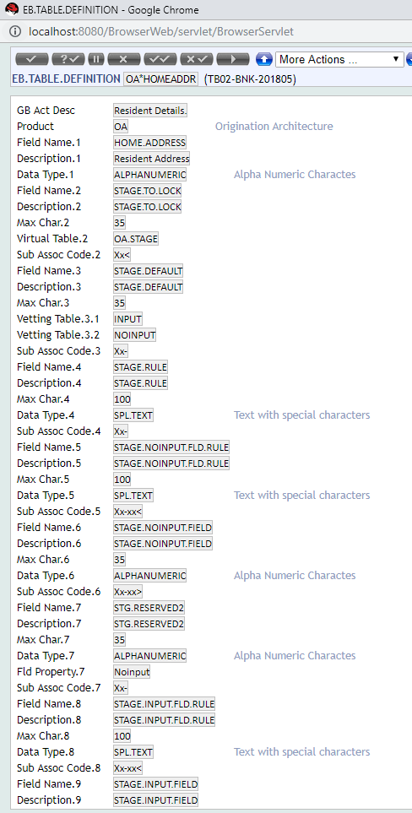
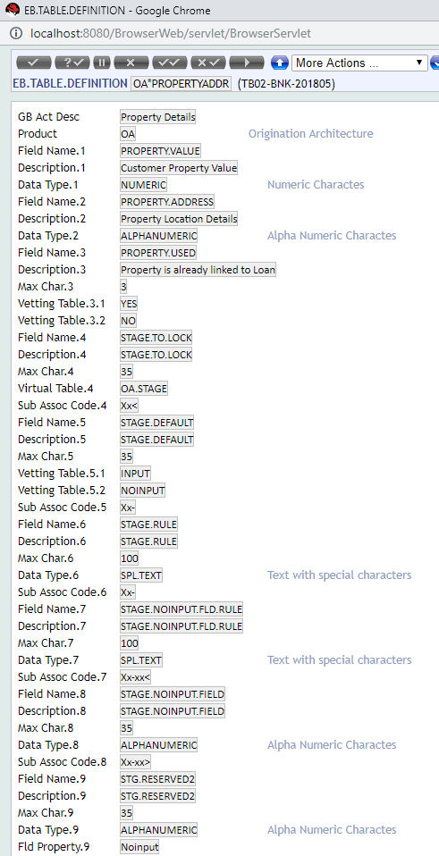
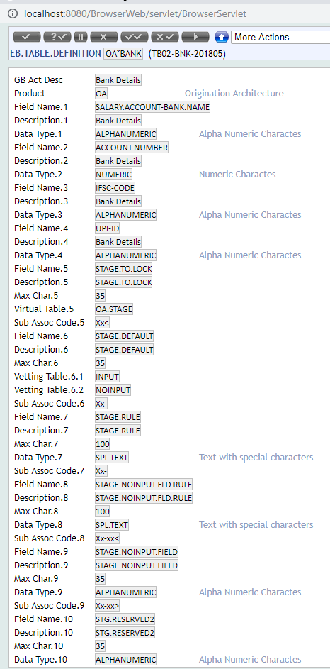
Creation of Formlets

OA*LOAN.PROCESS | OA*GURANTEE | OA*INFORMATION.PERSONAL

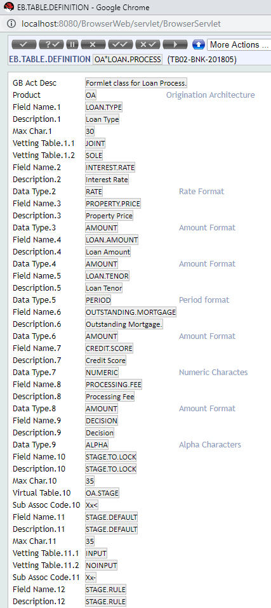
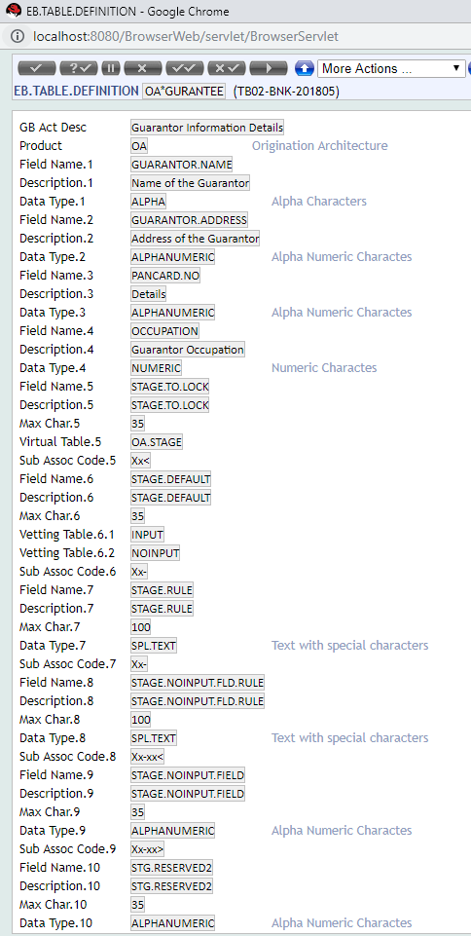
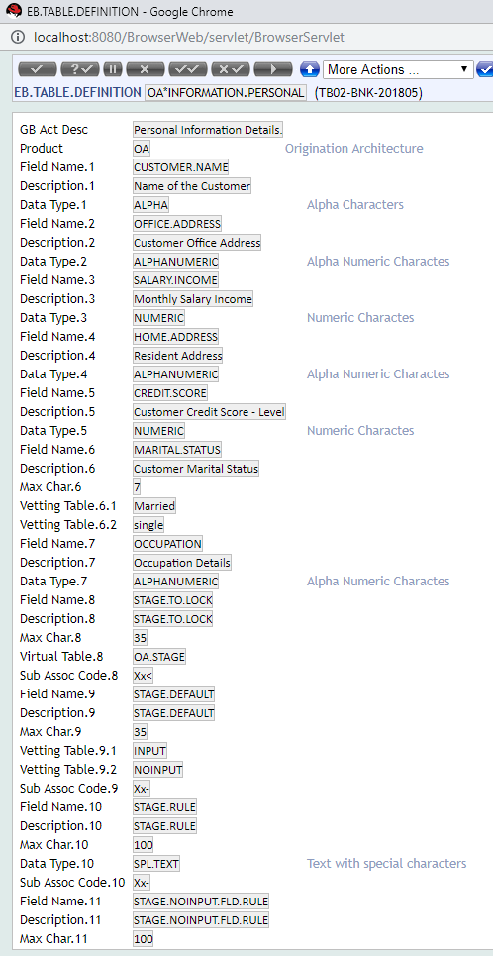

OA*EXPENDITURE | OA*OCCUPATION |  | OA*INCOME
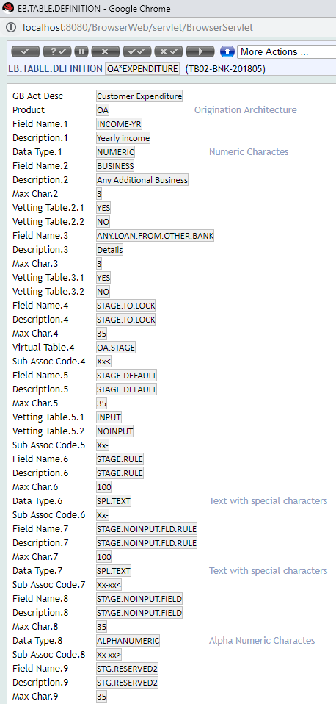
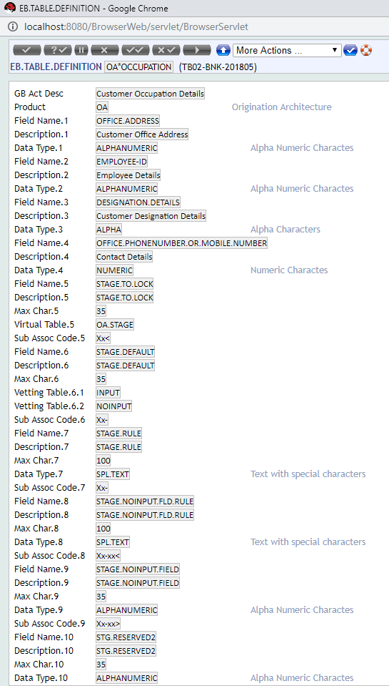
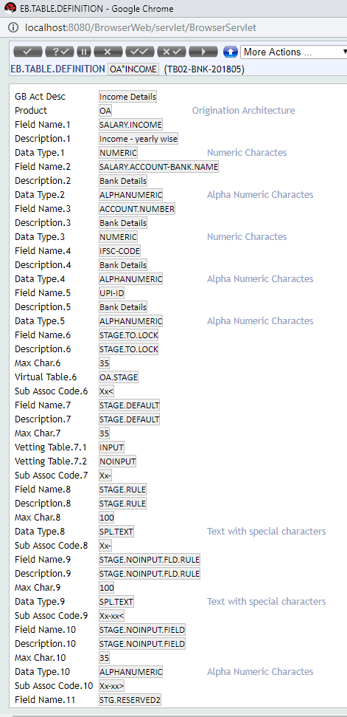

OA*HOMEADDR | OA*PROPERTYADDR | OA*BANK

Day02-FORMLET
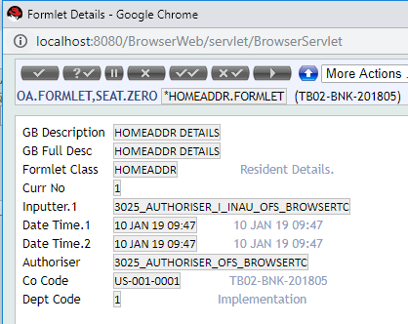
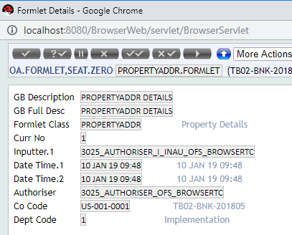
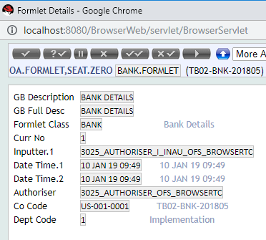
 | 1. OA.DOMAIN.CLASS ( it will have 3 values ASSET,PARTY,REQUEST)
 | 2. Create OA.FORMLET for the classes created.
 | 3. Create a new OA.DOMAIN.TYPE
 | 4. Try Publishing it in AA.DEFINITION.MANGER

LOAN.FORMLET |  | GURANTEE.FORMLET | INFO.PERSONAL.FORMLET
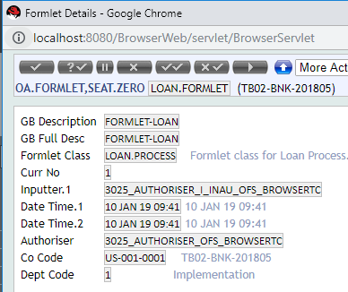
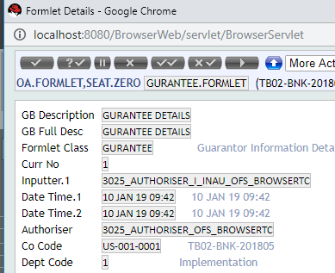
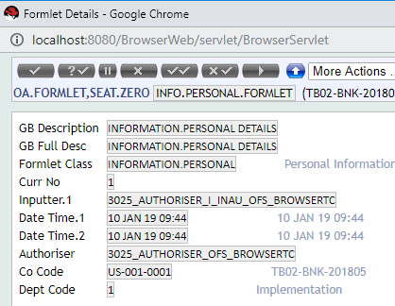

EXPENDITURE.FORMLET |  | OCCUPATION.FORMLET | INCOME.FORMLET
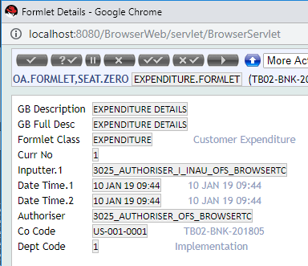
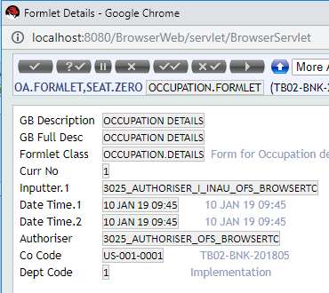
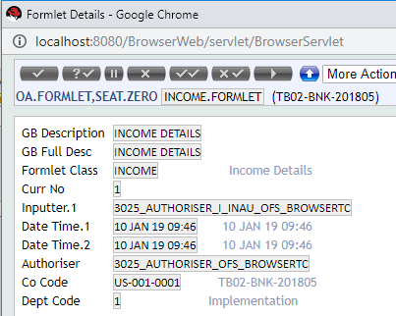

*HOMEADDR.FORMLET |  | PROPERTYADDR.FORMLET | BANK.FORMLET

Cont....AA.DEFINITION.MANAGER
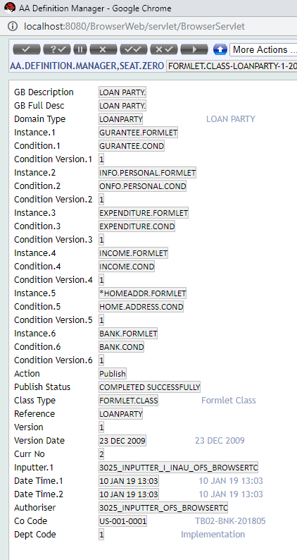
AA.DEFINITION.MANGER

 | FORMLET.CLASS-LOANDOMAIN-1-20091223 | FORMLET.CLASS-LAONASSET-1-20091223
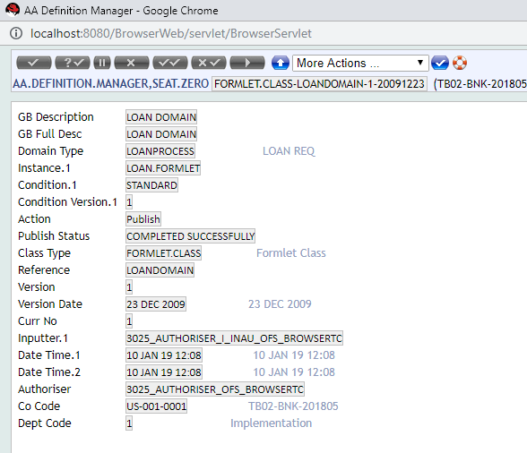
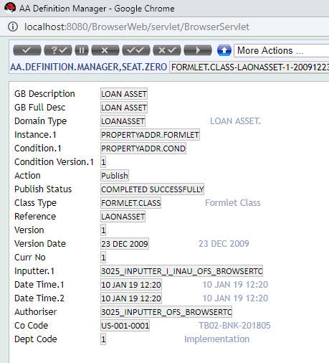

FORMLET.CLASS-LOANPARTY-1-20091223

Day003 Evidence class
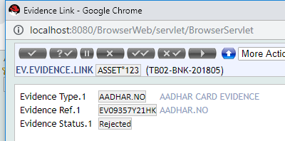
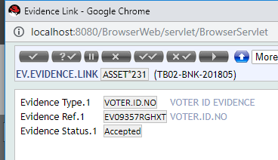
AA.CLASS.DEFINITION (ACD) for EVIDENCE CLASS
 | EV*AADHAR |  | EV*VOTER.ID
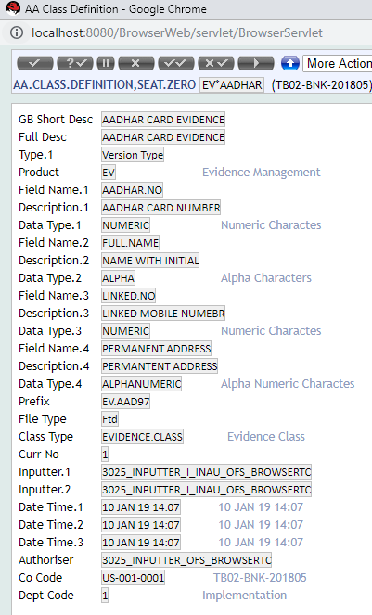
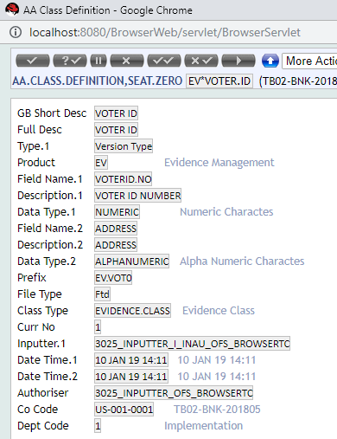

Creation of Des Record

 |  | AADHAR.COND-1 | VOTERID.COND-1
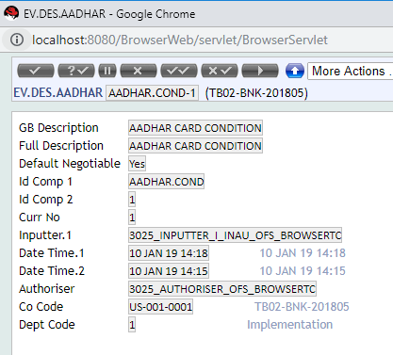
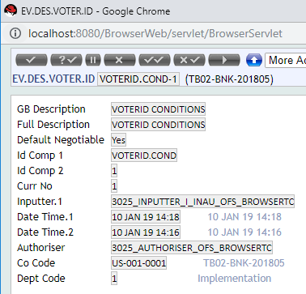

Publish it in AA.DEFINITION.MANAGER(ADM

 | EVIDENCE.CLASS-AADHAR.NO-1-20091223 |  | EVIDENCE.CLASS-VOTER.ID.NO-1-20091223

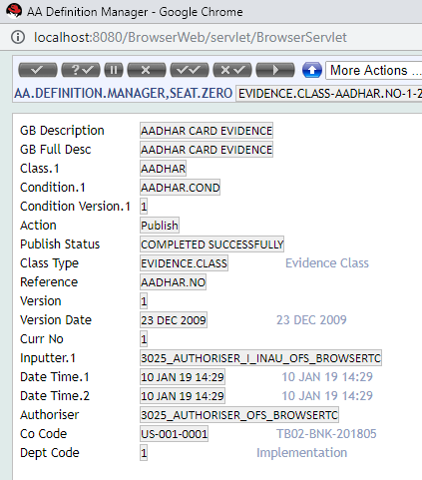
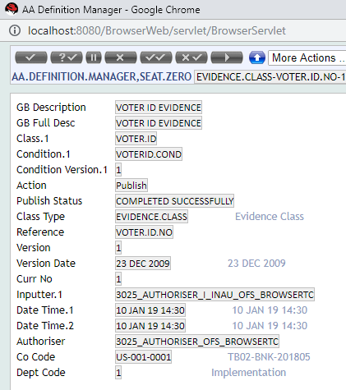

EV.EVIDENCE.REQUIREMENT

 |  | PROOF.OF.AADHAR |  | PROOF.OF.VOTERID

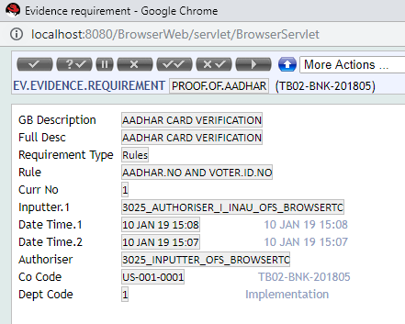
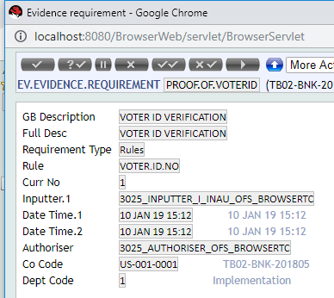

EV.EVIDENCE. (Can try with different activities like NEW-EVIDENCE, ACCEPT-EVIDENCE, REJECT-EVIDENCE, UPDATE-EVIDENCE)

 | EV.EVIDENCE >> NEW-EVIDENCE >> EV09357Y21HK |  |  |  | EV09357RGHXT

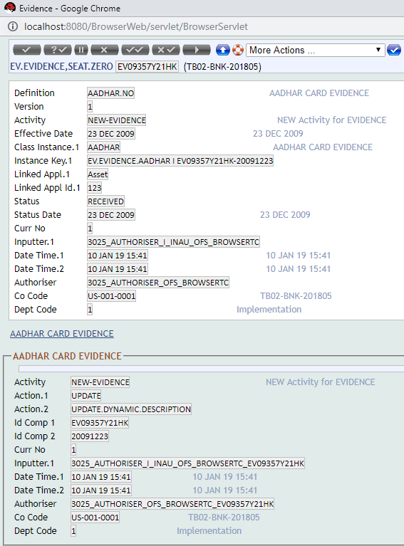
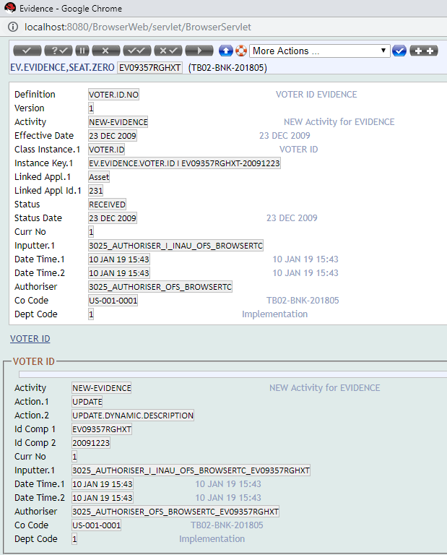

 |  |  |  |  |  | EV.EVIDENCE >> ACCEPT-EVIDENCE >> REJECT-EVIDENCE>>ERROR
EV.EVIDENCE >> ACCEPT-EVIDENCE >> EV09357Y21HK

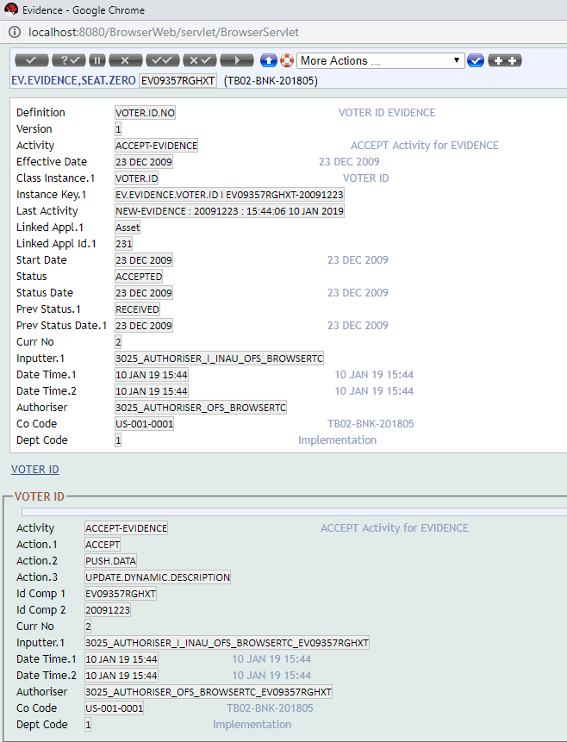
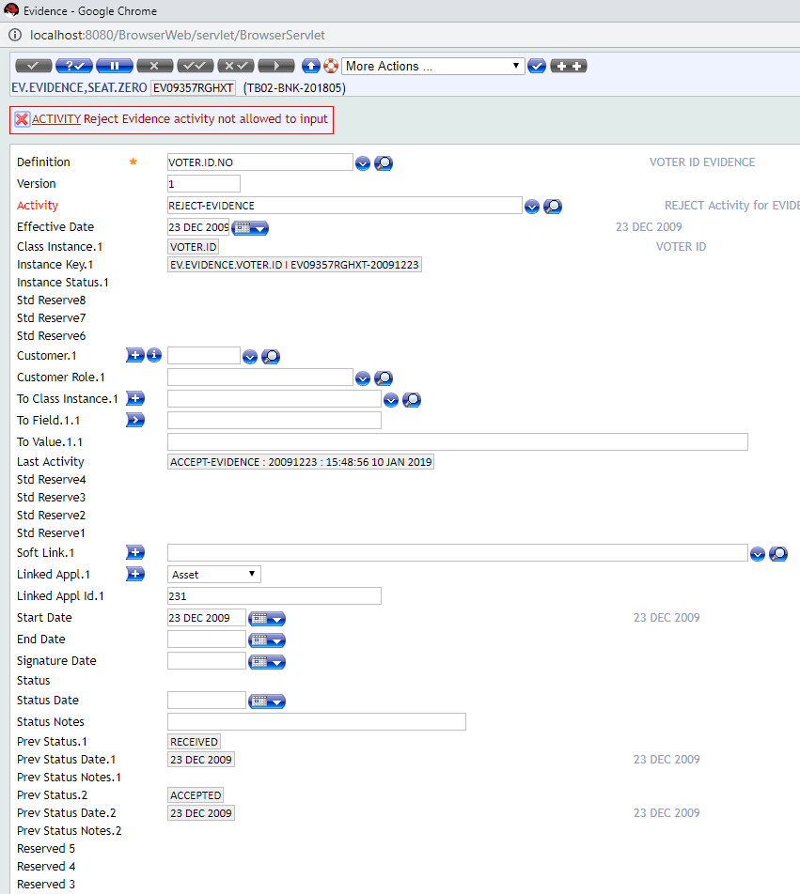

EV.EVIDENCE >> UPATE-EVIDENCE >> EV09357Y21HK

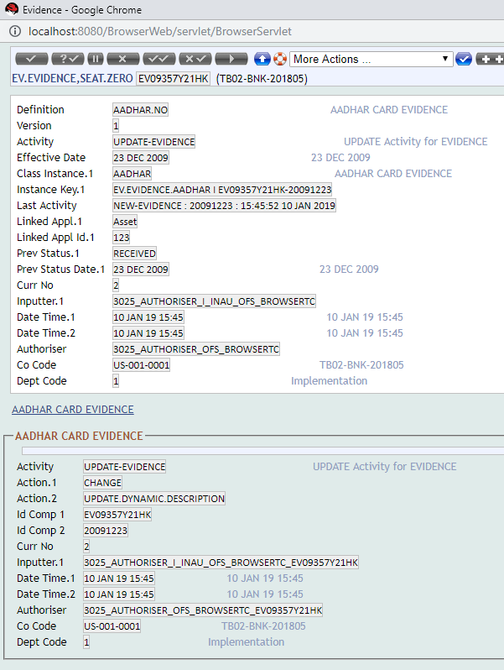

EV.EVIDENCE >> REJECT-EVIDENCE >> EV09357Y21HK
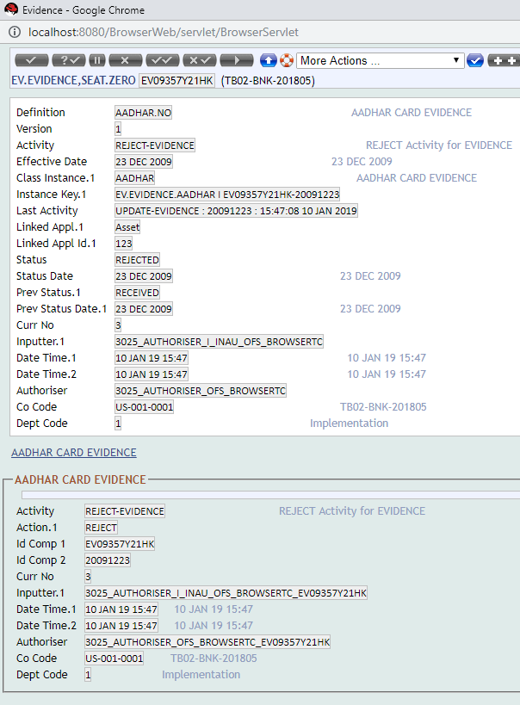

EV.EVIDENCE.LINK

 | ASSET*123 |  |  |  |  |  | ASSET*231

Day04
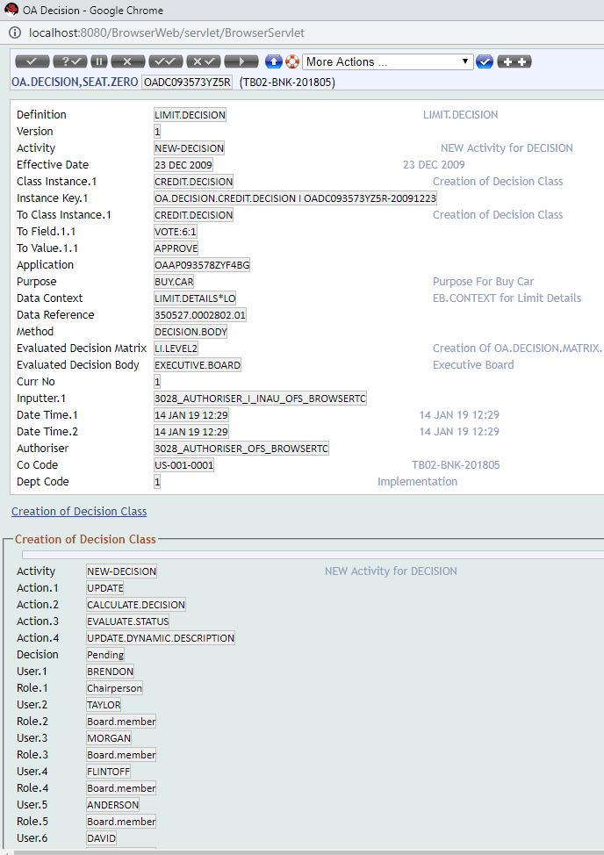
1. Creation of AA.CLASS.DEFINITION (ACD) for DECISION CLASS.

 | AA.CLASS.DEFINITION > OA*DECISION.CLASS
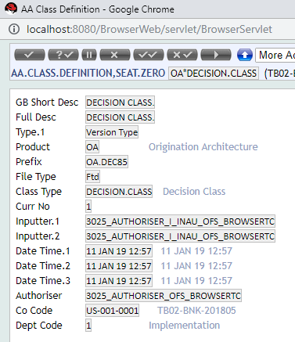

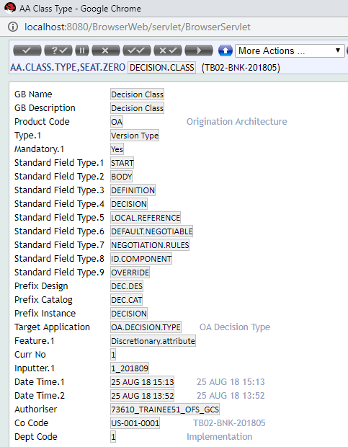

 |  | JAYA.MANAGER
 |  | JAYA.ASST
 |  | JAYA.REJ

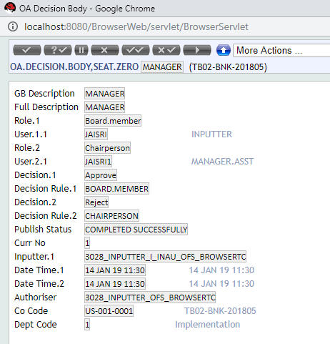

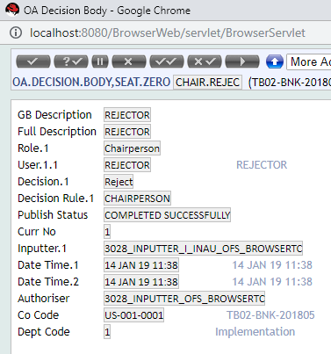

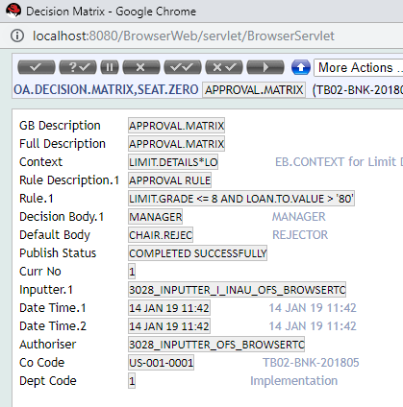

 | OA.DEC.DES.DECISION.CLASS >> DECISION.CLASS.COND-1

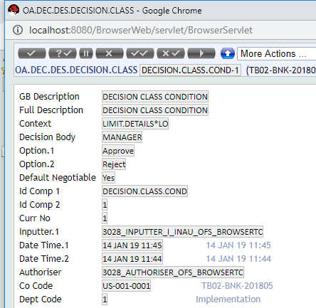

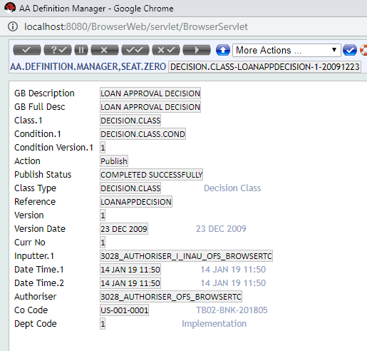

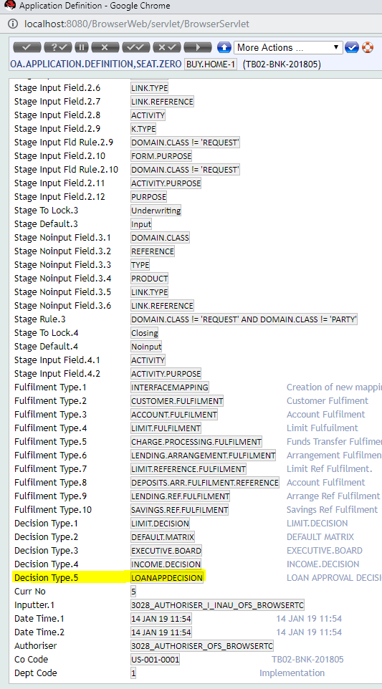
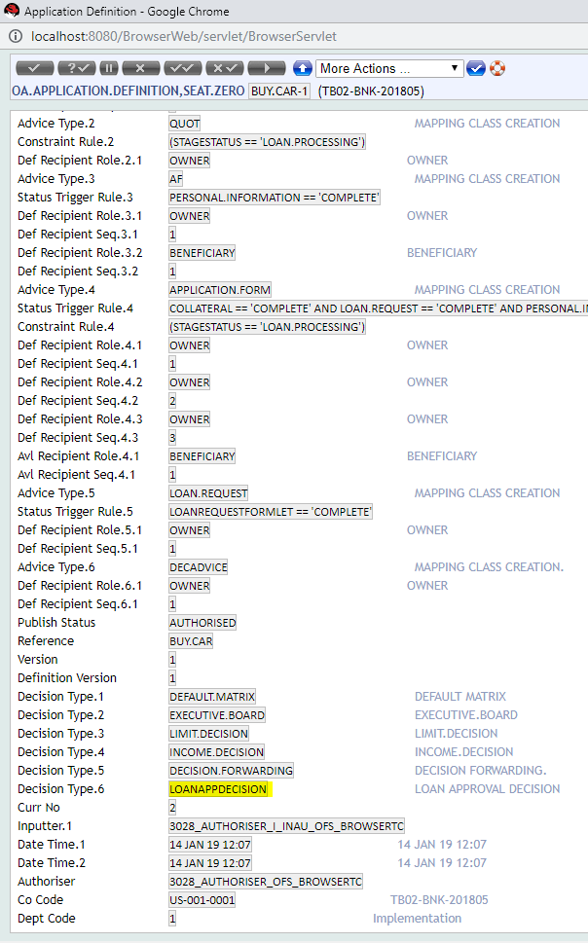

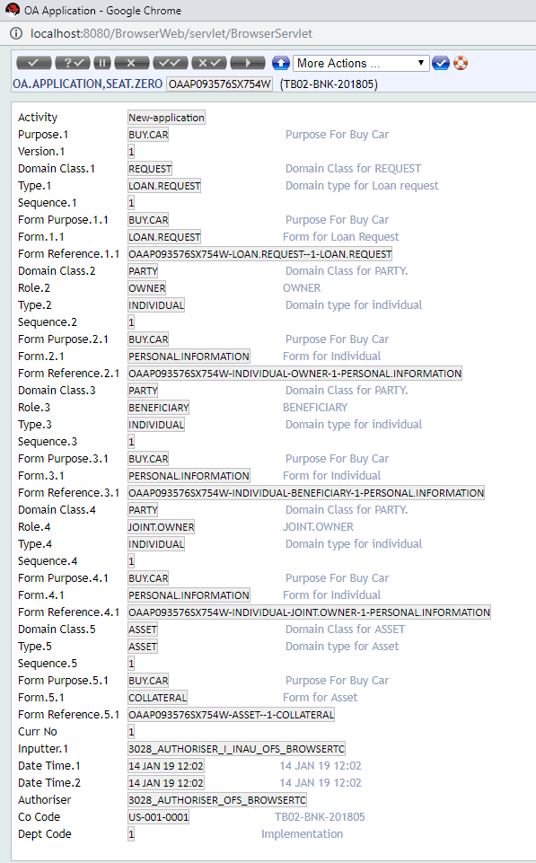

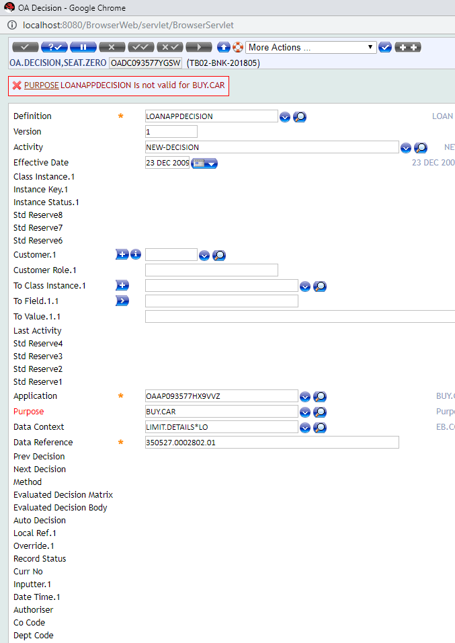

OADC093573YZ5R

Day05
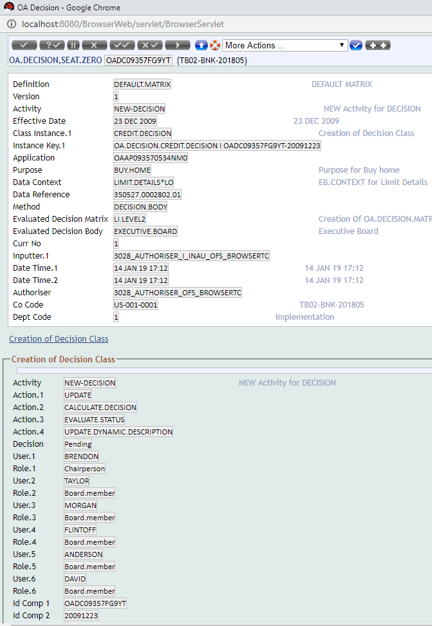





CONTU








Day06

 |  | NEW QUOTATION





 | AA.QUO.DES.QUOTATIONNEW |  |  | AMEND.LOANAMOUNT-1



 | publish the quotation in manager
 |  |  | QUOTATION.CLASS-LOAN-1-20091223



 | Check AA.QUOTATION.TYPE



Create an Lending Arrngement

 |  | AA093576YYJC


Create Quotation Request

Day07

AA.PURPOSE


OA.ROLE


OA.APPLICATION.DEFINITION PUBLISH



OA.APPLICATION - OAAP09357YR38JTW



OA.APPLICATION - OAAP09357YR38JTW

